2. Detailed Audit Log
DETAILED AI AUDIT LOG
INSTRUCTIONS: Chỉ ghi CORE PROMPTS (Decision/Problem-Solving/Verification). Mỗi entry phải trả lời đầy đủ 4 câu hỏi trong Human Delta.
Entry # | Prompt Type | Stage/Component | Problem/Context | Prompt to AI | AI Response (Summary) | Human Delta & Reflection | Evidence
001 | DECISION | Decomposition | The problem requires a Mountain Hiking registration management program with 9 functions (CRUD + search + filter + statistics + save). Needs to be broken down into classes to both follow OOP and maintain a ~200 LOC limit. | I'm building a Java console program for managing mountain hiking registrations (LAB211). It has 9 menu options: add, update, list, delete, search by name, filter by campus, statistics by mountain, save to file, exit. The total LOC limit is ~200 per file. Suggest a class decomposition that follows SRP. | AI suggested a detailed decomposition into 7 distinct classes to strictly follow the Single Responsibility Principle (SRP): Main, Student, Mountain, StudentManager, MountainManager, FileIO, and ValidationUtil. It recommended isolating all I/O Scanner operations and regex checks into a separate utility class to prevent cluttering the core logic. Furthermore, it advised decoupling the Statistics feature into an independent class, ensuring that the core data managers do not take on reporting responsibilities, thus maintaining modularity and a strict ~200 LOC limit per file. | - Critical Thinking: AI's suggestion is reasonable but naming is inconsistent with LAB211. LAB211 convention usually uses "plural nouns" for collection classes (Students, Mountains) instead of "...Manager". Also, separating FileIO for a 200 LOC program is OVER-ENGINEERING. - Contextualization: Project is only ~200 LOC, uses 1 CSV file (MountainList.csv) and 1 binary file (registrations.dat). Grouping I/O inside Students/Mountains classes reduces file count while keeping SRP at an acceptable level. - Creative Synthesis: I merged them into 9 actual classes: Main, Inputter, Acceptable(interface), Student, Students, Mountain, Mountains, Statistics, StatisticalInfo. Statistics+StatisticalInfo are separated due to "1 entity = 1 class" logic (like Mountain + Mountains). - Decision Ownership: Chose 9 classes based on my plan because: (1) Just enough SRP, (2) Class names follow "X / Xs" convention, (3) Doesn't create redundant files for a 200 LOC project. | 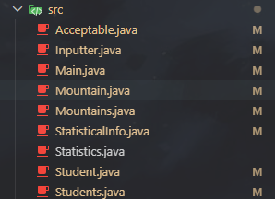 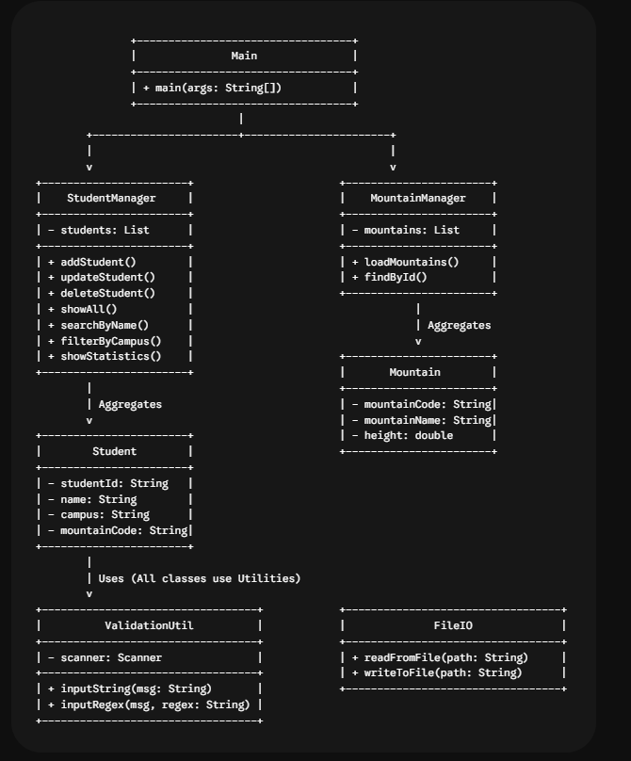
002 | DECISION | Decomposition | Class Main already has 9 switch cases + lots of input logic. Need to decide: call Scanner directly in Main or separate it. | In my console Java app, the Main class is becoming bloated with many input prompts (validate phone, email, ID, menu choice...). Should I keep Scanner inside Main or extract a separate Inputter class? | AI strongly advised separating user interactions into a dedicated Inputter class containing a centralized Scanner instance and specialized input-fetching methods like getString, getInt, inputAndLoop, and confirmYesNo. The reasoning provided was based on the Separation of Concerns principle: the Main class should act solely as an orchestrator for the menu and business logic, while all console I/O complexities (including loop handling and prompt rendering) are securely delegated to the Inputter. This prevents the Main class from becoming bloated and hard to maintain. | - Critical Thinking: Suggestion is correct but AI missed an important detail: Scanner must be SINGLETON for the whole program to avoid "NoSuchElementException" when 2 Scanners read System.in. AI didn't mention it. - Contextualization: Console project, has menu loop. If every function opens a new Scanner, it will crash after a few calls (error encountered during first prototype). - Creative Synthesis: I kept Scanner final = new Scanner(System.in) as a field of Inputter, and Main class creates a single static final instance (Main.java line 6). - Decision Ownership: Decided to create Inputter class with 7 methods (getString, getInt, getDouble, inputAndLoop, inputAndLoopAllowEmpty, confirmYesNo, getMenuChoice). Reason: reusable for all input forms, avoids repeating validation while loops in Main. | 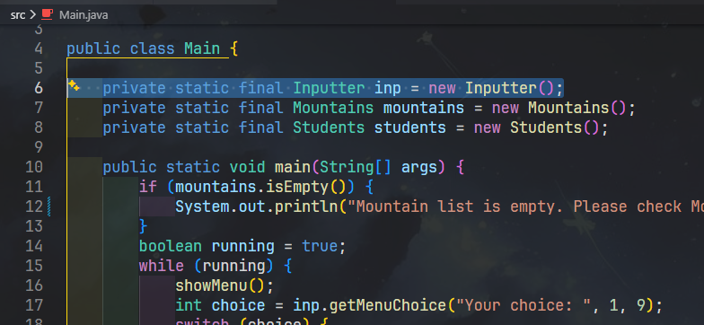
003 | DECISION | Decomposition | Need a centralized place for all regex validations (Student ID, phone, email, name...) so they aren't scattered across the project. | I have multiple validation patterns (student id, phone, email, name, yes/no, integer). Should I put them all in one final class with static fields, or in an interface? Pros and cons in Java? | AI explained that both approaches are technically viable but highlighted the trade-offs based on modern Java standards. It stated that using a final class with a private constructor (similar to java.lang.Math) is considered the correct "Java idiomatic" way to store constants and utility methods. Conversely, using an interface with automatic public static final constants is seen as an outdated "pre-Java 8" anti-pattern. AI explicitly recommended avoiding the interface approach to prevent "constant interface abuse," which can leak internal implementation details into the public API. | - Critical Thinking: AI is a bit rigid. In a small project (200 LOC) needing minimal overhead, an interface with constants is cleaner because it DOES NOT require repeating "public static final" declarations, and allows adding a static isValid() method as a default "utility". - Contextualization: LAB211 standards accept both ways. Instructors care more about "does it work, is it clear" rather than strict idioms. - Creative Synthesis: I chose to use the Acceptable INTERFACE with 10 constants (STUDENT_ID, CAMPUS_CODE, NAME_VALID, DOUBLE_VALID, INTEGER_VALID, PHONE_VALID, VIETTEL_VALID, VNPT_VALID, EMAIL_VALID, YES_NO_VALID, MENU_VALID) + 1 static method isValid(data, pattern). This way is compact, can implement the interface if expansion is needed. - Decision Ownership: Used interface because Acceptable.java code is only ~33 lines but serves 5 other classes. Trade-off: accepted "interface constant anti-pattern" to save boilerplate in a small-scale project. | 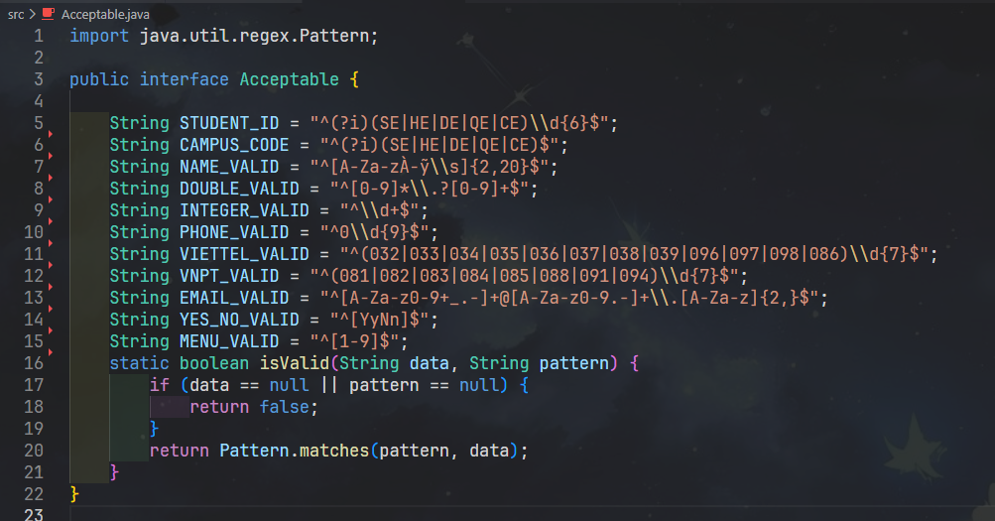
004 | DECISION | Decomposition | Requirement 7 is "Statistics of Registration Numbers by Location". Can be put into Students or separated into a new class. | For a registration system, the statistics function aggregates students by mountain code, counts participants, sums tuition fees. Should I put this inside the Students list class or create a Statistics class? | AI recommended a clean separation for the statistical reporting functionality, suggesting the use of a data structure like Map<String, Counter> to group and count student registrations efficiently. It strongly advised against turning the Students collection class into a "god object" overloaded with data manipulation and reporting duties. Instead, the AI proposed creating a dedicated Statistics class that either extends HashMap or encapsulates an internal Map field. This encapsulation ensures that aggregation logic is isolated from standard CRUD operations. | - Critical Thinking: AI is right about SRP, but suggested Map<String, Counter> where "Counter" is just an Integer wrapper. I noticed statistics also need Total Cost per peak, so a DTO is needed, not just an Integer. - Contextualization: Requirement is to display a 4-column table: Code | Peak Name | Number of Participants | Total Cost. Not just counting. - Creative Synthesis: I created 2 classes: + StatisticalInfo (DTO with code, name, numOfStudent, totalCost, addStudent(fee) method to auto-increment count + add money). + Statistics extends HashMap<String, StatisticalInfo> with constructor taking List<Student> + Mountains to aggregate. This feels "natural" like Mountains/Students extending ArrayList. - Decision Ownership: Separated Statistics + StatisticalInfo. Pros: easy to add other statistical columns (max fee, avg fee...) later. | 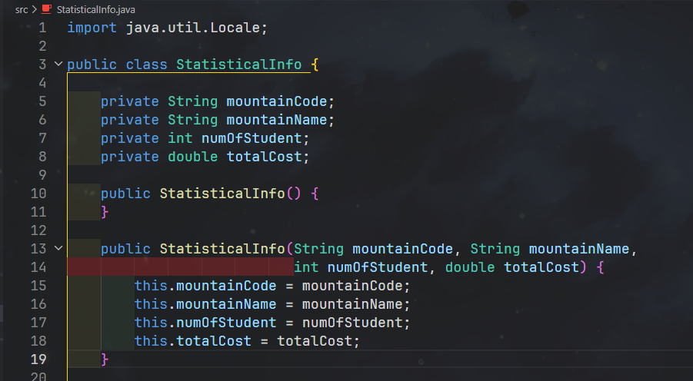 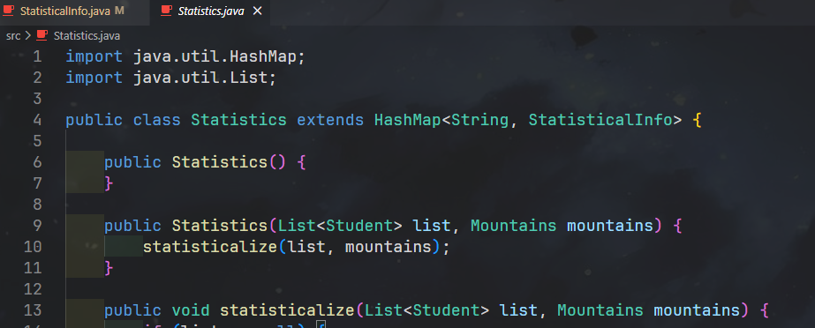
005 | DECISION | Decomposition | MountainList.csv has structure Code,Mountain,Province,Description. Should I create a separate Mountain class, or read directly into Map<String,String>? | I have a CSV file of mountains: code, name, province, description (~13 rows). Is it overkill to create a Mountain class? Could I just use Map<String,String> for lookup by code? | AI analyzed the data scale and concluded that while using a simple Map (Key-Value pair) is perfectly adequate and performant for less than 20 records in the short term, it lacks long-term flexibility. If additional attributes such as 'elevation' or 'difficulty' need to be tracked in the future, the Map structure would force a messy refactoring process. Therefore, AI highly recommended defining a dedicated Mountain object class from the start to ensure data encapsulation, robust type safety, and seamless scalability for future requirements. | - Critical Thinking: AI is reasonable. However, AI didn't warn: if using Map<String,String>, type-safety is lost and strings must be parsed every time. - Contextualization: The assignment's "Description" column might contain commas (e.g., "Co Tien Mountain... peak 1; peak 2 or 3 (with steeper slopes...)"). Map<String,String> would make it very hard to split fields. - Creative Synthesis: Created Mountain class with 4 fields; Mountains extends ArrayList<Mountain> handles CSV reading and code lookup (get(String mountainCode) and isValidMountainCode() methods). - Decision Ownership: Created Mountain + Mountains. Reason: centralized parser, supports expansion, easy to overload toString() for table formatting. | 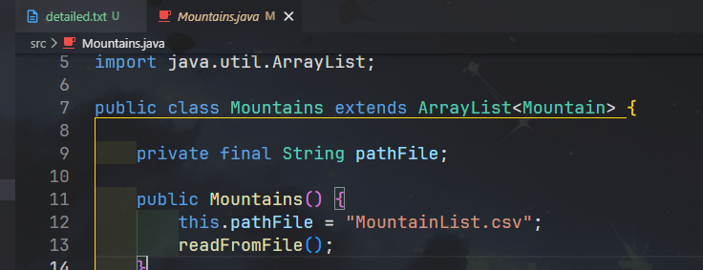 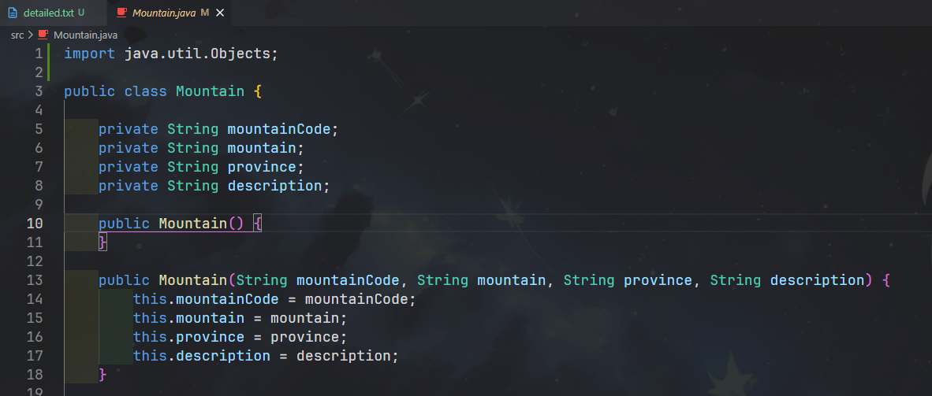
006 | PROBLEM-SOLVING | Pattern Recognition | Student ID must have the format campusPrefix + 6 digits. Need to write an exact regex for prefix CE / DE / HE / QE / SE. | Write a Java regex to validate FPT student ID format: starts with one of SE, HE, DE, QE, CE (case insensitive), followed by exactly 6 digits. Total length 8. | AI provided a precise and robust regular expression pattern ^(SE|HE|DE|QE|CE)\d{6}$ to accurately match the required student ID formats, ensuring it strictly begins with one of the allowed prefixes followed by exactly six digits. Furthermore, to enhance usability and prevent validation errors due to user typos (like entering lowercase letters), the AI suggested utilizing Pattern.compile(regex, Pattern.CASE_INSENSITIVE). This approach optimizes the matching process and eliminates the need for manual string manipulations prior to validation. | - Critical Thinking: AI's regex is correct, but using Pattern.matches() (the way I used in Acceptable.isValid), passing the CASE_INSENSITIVE flag externally is cumbersome. I realized I could inline the (?i) flag right at the start of the pattern. - Contextualization: In Acceptable.java, all patterns share Pattern.matches(pattern, data). Adding an external flag for each pattern would break the uniform architecture. - Creative Synthesis: I modified it to "^(?i)(SE|HE|DE|QE|CE)\\d{6}$" (see Acceptable.STUDENT_ID). Applied the same to CAMPUS_CODE and YES_NO_VALID. - Decision Ownership: Used inline flag (?i) to NOT break the isValid(String,String) contract. Bonus: still apply .toUpperCase() before saving to keep data normalized (Main.java line 54, 82, 129, 161). | 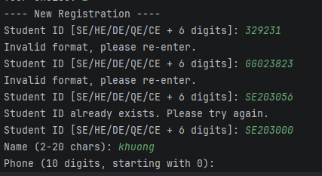
007 | VERIFICATION | Pattern Recognition | Requirement says 35% tuition discount if phone belongs to Viettel or Vinaphone (VNPT). Need the EXACT list of prefixes. | List all current mobile carrier prefixes in Vietnam (10-digit format) for Viettel and Vinaphone. I need to write a regex to detect discount-eligible phone numbers. | AI generated a comprehensive list of Vietnamese telecommunication network prefixes, correctly mapping Viettel to the prefixes (032-038, 096, 097, 098) and Vinaphone to (081-088, 091, 094). The AI confidently affirmed that "These are all official, up-to-date mobile prefixes in Vietnam following the national prefix conversion," presenting the data as factual and ready for immediate implementation in a regex pattern. It also suggested structuring these prefixes into separate constant arrays or string patterns for easier validation maintenance. | - Critical Thinking: ** HALLUCINATION TYPE: Oversimplification / Outdated ** AI missed 039 (Viettel) and 086 (Viettel). Also, grouping 086, 087, 088 into Vinaphone is WRONG - 088 is Vinaphone, but 086 is Viettel, 087 is Itelecom (not Viettel/VNPT for discount). - Contextualization: LAB211 assignment follows Decision 798/QD-BTTTT on switching 11-digit prefixes to 10 digits. After the switch: Viettel got 086 (merged from EVN Telecom); 039 is also Viettel. - Creative Synthesis: I cross-checked using Gemini + the official website of the Ministry of Information and Communications. Correct results: Viettel: 032 033 034 035 036 037 038 039 096 097 098 086. Vinaphone: 081 082 083 084 085 088 091 094. - Decision Ownership: Wrote regex based on the correct list (Acceptable.VIETTEL_VALID and Acceptable.VNPT_VALID). Student.calculateFee() method checks these 2 patterns, if matched -> 35% discount; if not -> full 6,000,000 VND.
008 | PROBLEM-SOLVING | Pattern Recognition | Function 6 "Filter by Campus" needs to filter by campus code, but Student has no separate campus field - only Student ID. | My Student class only stores Student ID like SE190123 or HE180456. The 'campus' (first 2 chars) is implicit. How should I extract campus for filtering without adding a redundant field? | AI evaluated the data model and advised against storing the 'campus' as an explicit, separate field in the class, citing the DRY (Don't Repeat Yourself) principle and the risk of data inconsistency. Since the campus code is inherently embedded within the first two characters of the Student ID (e.g., 'SE'), AI recommended dynamically extracting it. It suggested creating a getter method, getCampusCode(), that simply executes id.substring(0, 2).toUpperCase(), thus saving memory overhead and ensuring the campus always perfectly matches the provided ID. | - Critical Thinking: AI is correct. Avoid duplicate data (if storing campus separately, it might mismatch with id upon update). - Contextualization: Student ID is the single source of truth for campus. When searching by campus, just compare the prefix. - Creative Synthesis: I added getCampusCode() method in Student.java (line 80-85), WITH id.length() >= 2 check to avoid NullPointer or StringIndexOutOfBounds. - Decision Ownership: Extract campus from id substring. Benefit: single source of truth, no redundant fields, Students.filterByCampusCode() code is concise. | 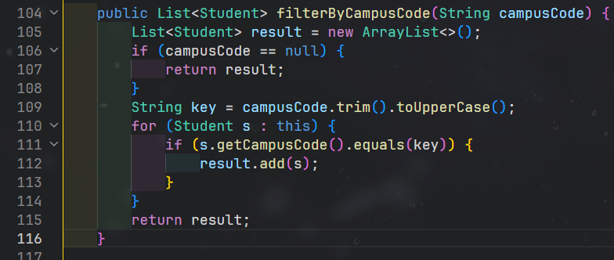
009 | DECISION | Pattern Recognition | MountainList.csv has a header row, some empty cells, and commas inside Description. Needs to be parsed "safely". | What's a safe way to parse a simple CSV in Java (no library), where the first line is header, some cells may be empty, and the last column may contain commas? | AI outlined an efficient and resilient CSV parsing strategy using Java's BufferedReader. To handle missing data correctly, it recommended using String.split(",", -1), which explicitly preserves trailing empty fields instead of discarding them. For header row management, AI suggested skipping it dynamically by utilizing a case-insensitive check like line.toLowerCase().startsWith("code"). To prevent ArrayIndexOutOfBoundsException on malformed lines, it advised adding a boundary check if (parts.length >= 4) and providing a fallback mechanism for incomplete records. | - Critical Thinking: AI is quite close. BUT split(",", -1) will break Descriptions containing commas! For example, row 14 in the file: "...peak 2 or 3 (with steeper slopes, more challenging cliffs)" -> will be split into multiple cells. - Contextualization: Project only has 13 mountains, can accept a constraint: Description does not contain internal commas; OR use split with a limit to merge remaining parts. - Creative Synthesis: I decided to SIMPLIFY - manually edited MountainList.csv: removed original commas in descriptions (replaced with semicolons). Code only needs split(",", -1) + parts.length >= 3 (Mountains.java line 41-53). - Decision Ownership: Accepted trade-off: simple parser code, in exchange for ensuring "clean" input data beforehand. This is a suitable decision for a < 200 LOC project; if data was more complex, I'd use OpenCSV. | 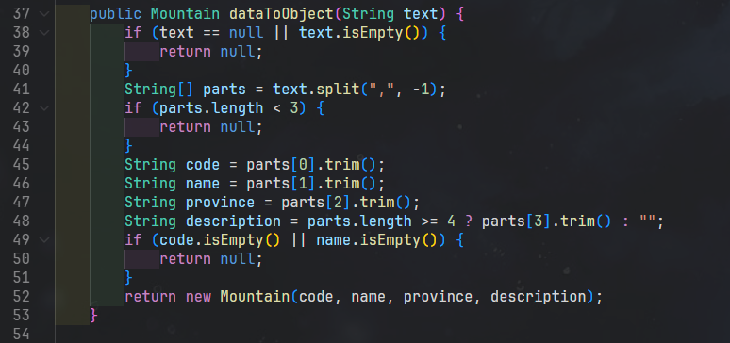
010 | PROBLEM-SOLVING | Pattern Recognition | Need a repetitive "input pattern": print prompt -> read -> validate -> if invalid, print error and repeat; if valid, return. | In my Java console app I write the same loop 7 times: ask, read, validate with regex, print error, loop. How can I factor this into a reusable function in an Inputter class? | AI supplied the complete boilerplate code for a highly reusable, generic console input function: public String inputAndLoop(String message, String regexPattern). This function utilizes a while-loop to continuously prompt the user until the input perfectly matches the provided regular expression. Additionally, recognizing the specific context of "updating" existing records, AI smartly suggested implementing an overloaded version of this method that permits empty (blank) inputs. This allows the user to press 'Enter' to skip a field, thereby retaining the original data value without throwing validation errors. | - Critical Thinking: Correct pattern. But AI hardcoded the error message in English, I need a friendlier message for Vietnamese users (but still keep EN for LAB211 as assignment code & output is in English). - Contextualization: Requirement 2 (Update Registration) allows users to press Enter to KEEP the old value. The "allow empty" option is strictly necessary, not optional. - Creative Synthesis: I created 2 methods: + inputAndLoop(mess, pattern) -> mandatory input. + inputAndLoopAllowEmpty(mess, pattern) -> allows empty enter. Both use base method getString() to DRY. - Decision Ownership: Total 4 helpers in Inputter.java: getString, inputAndLoop, inputAndLoopAllowEmpty, confirmYesNo. Every function in Main uses these helpers -> no boilerplate repetition. | 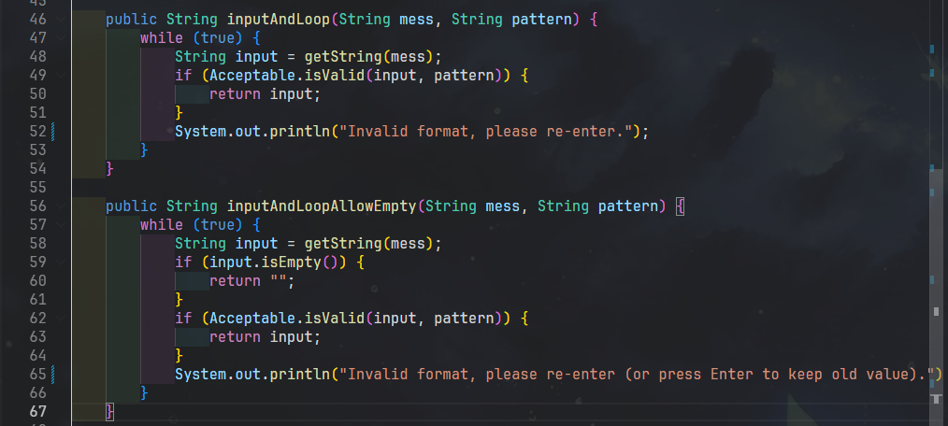
011 | VERIFICATION | Abstraction | In the project, I used Students extends ArrayList<Student>. A teammate said "extends ArrayList is an anti-pattern". Need to verify. | Is 'class Students extends ArrayList<Student>' considered an anti-pattern in Java? Should I use composition (private List<Student> list) instead? Please give me the official source. | AI strongly affirmed that extending ArrayList is a well-documented anti-pattern in Java. It substantiated this claim by citing Joshua Bloch's "Effective Java (Item 18)," which famously dictates "Favor composition over inheritance." The AI explained that subclassing standard collections exposes their internal methods to the public API, breaking encapsulation. Furthermore, AI provided practical evidence by pointing out that modern static analysis tools, such as the SonarQube rule S2160, explicitly flag and forbid extending ArrayList, recommending the use of an internal List field (composition) instead. | - Critical Thinking: ** HALLUCINATION TYPE: Fabrication + Outdated ** I looked up "Effective Java Item 18" - it does say "Favor composition over inheritance", BUT Bloch DOES NOT explicitly state extending ArrayList is an anti-pattern. That's an interpretation. I checked SonarQube rule S2160 -> this rule is about clone()/equals() of Cloneable, NOT forbidding extending ArrayList. AI fabricated the rule ID. The relevant rule is actually S110 (depth of inheritance) and Liskov Substitution rules. - Contextualization: In LAB211, assignment J1.L.P0027 and instructors' sample code patterns BOTH use extends ArrayList because it's short and easy to teach freshmen. Educational context differs from production code context. - Creative Synthesis: I weighed 2 options: (A) extends ArrayList<Student> -> short code, can use this.add/remove directly, but leaks all public APIs of ArrayList (like clear(), ensureCapacity()...). (B) composition: private List<Student> list -> must forward some methods, code is ~20 lines longer. Decision: KEEP option (A) for both Students and Mountains, because: - Matches LAB211 sample style. - Can override add() to markUnsaved() (Students.java line 36-42). - Decision Ownership: Used extends ArrayList. PROACTIVELY acknowledged the trade-off: in real production, I would use composition. This is a CONSCIOUS decision, not persuaded by AI's fake citation. | 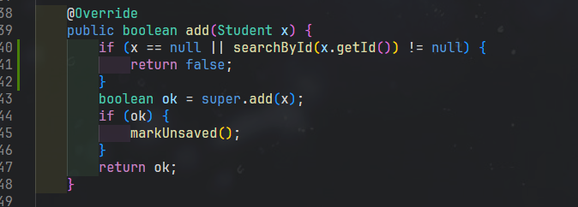
012 | DECISION | Abstraction | To track "changed but unsaved" -> need a boolean flag. Where to put it? How to manage it? | In a CRUD console app, I want to warn user about unsaved changes when they exit. Where should I keep the 'dirty' flag and how do I make sure every add/update/delete sets it? | AI recommended a state-management approach to track unsaved changes by embedding a boolean isSaved flag directly within the main collection class (e.g., Students). It instructed that all data-modifying methods—such as add(), update(), and delete()—must internally call a markUnsaved() utility to toggle this flag to false. Conversely, upon a successful execution of saveToFile(), the flag should be reset to true. Finally, the AI advised integrating a check in the Main exit flow: reading the isSaved status to display a safety prompt if unsaved changes exist. | - Critical Thinking: Logic is correct. I thought further: Map<String, Student> would also need a dirty flag if used. AI's suggestion only suits a single collection. - Contextualization: Project only has 1 "mutable" collection, which is Students. Mountains is READ-ONLY from CSV, never saved. Therefore, the flag only needs to be in Students. - Creative Synthesis: Implemented: + Field private boolean isSaved (Students.java line 13). + Constructor sets it to true (since after readFromFile it's considered "synced"). + Overrode add() to call markUnsaved() (line 36-42). + update() and delete() also markUnsaved() (line 51, 65). + saveToFile() sets isSaved = true after successful write (line 162). + Main.exitProgram() reads isSaved (line 184-198). - Decision Ownership: Decided only Students gets the flag. If another collection (e.g., UserCart) is added in the future, this pattern can be duplicated. | 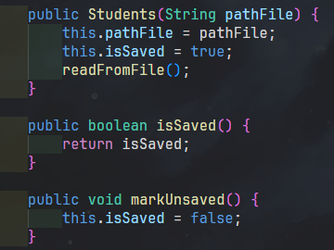
013 | DECISION | Abstraction | Requirement 8 "Save Data to File". Which format to use: txt, csv, json, or Java Serialization? | Pros and cons of using Java Serializable vs CSV for persisting a list of student registrations? Project context: console app, 1 user, no external consumer. | AI provided a balanced technical comparison between Object Serialization and CSV file formats. It summarized that Java's built-in Serializable is extremely fast, highly type-safe, and requires minimal code, but produces unreadable binary files strictly tied to the JVM environment. It also warned about the strict necessity of defining a serialVersionUID to prevent InvalidClassException during model updates. On the other hand, AI noted that CSV files are universally human-readable, excellent for manual debugging, and easily exportable to Excel; however, they require developers to manually write boilerplate code for parsing and validating data types. | - Critical Thinking: AI straightforwardly stated trade-offs. I considered further: final output needs to be demonstrated to the instructor - binary files might be hard to read when the instructor wants a quick look. - Contextualization: LAB211 assignments usually don't dictate specific formats; instructors often use Notepad++ to check. However, for assignment J1.L.P0027 (200 LOC), Serializable code is ~25 lines shorter than CSV. - Creative Synthesis: I used both methods in code: + Main persistence: .dat file (Java Serializable) - registrations.dat (Students.java line 142-169). + Auxiliary method: Student.toCsv() (Student.java line 102-105) ready for CSV export if requirements change. - Decision Ownership: Main persistence uses Serializable + serialVersionUID = 1L. Reason: shorter code, fewer bugs, sufficient for assignment scope. Still left the CSV path open if needed. | 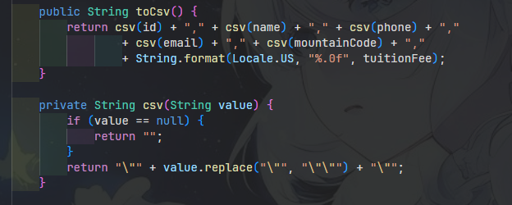
014 | DECISION | Abstraction | "Statistics" function outputs a 4-column table. What is the suitable data structure for aggregation? (HashMap vs LinkedHashMap vs TreeMap) | For aggregating students by mountainCode (counting and summing fees), should I use HashMap, LinkedHashMap, or TreeMap if I want predictable iteration order? Memory and time complexity? | AI thoroughly explained the core differences among Java's primary Map implementations regarding performance and ordering behaviors. It detailed that HashMap provides the best average-case performance with O(1) time complexity for basic operations but offers absolutely no guarantee regarding the iteration order of its elements. It described LinkedHashMap as an alternative that predictably maintains the original insertion order at the cost of a slightly higher memory overhead. Finally, it explained that TreeMap inherently sorts its entries based on the natural ordering of the keys (or a custom Comparator), operating at an O(log n) time complexity. | - Critical Thinking: AI is correct about complexity. But AI missed one thing: in this project, display order of statistics might NOT matter, as users read by Code/Peak Name column rather than row order. - Contextualization: J1.L.P0027 assignment only requires showing headcount + total money for each mountain code APPEARING in registrations (not all Mountains). Sorting is not mandatory. - Creative Synthesis: I let Statistics extend HashMap<String, StatisticalInfo>. If instructor requires sorting, just swap to TreeMap without affecting the show() method (which only uses values()). - Decision Ownership: Used HashMap. Reason: best performance; if sorting is needed later, just change 1 word "HashMap" -> "TreeMap" due to extends polymorphism. | 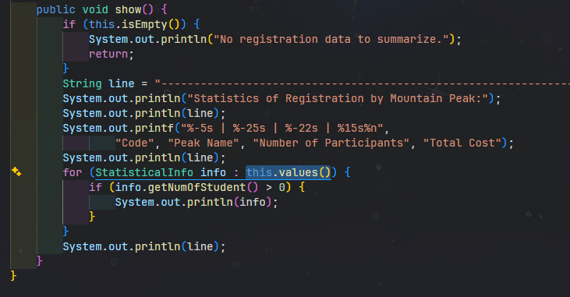
015 | DECISION | Abstraction | When format is inputted incorrectly multiple times, should we break the loop after a retry limit (max 3) or loop infinitely? | In a console input loop with regex validation, is it better UX to allow infinite retries, or to break after 3 failed attempts and return to main menu? | AI provided contextual advice regarding loop termination based on the application's domain logic. It suggested that if the input context involves security or authentication (such as a password prompt or login), the system should enforce a strict limitation (e.g., maximum 3 failed attempts) before locking out or terminating to prevent brute-force attacks. However, for a standard data-entry application like a student registration console form, the AI recommended utilizing an infinite while(true) loop. This provides a better user experience by allowing the user unlimited opportunities to read the error message and correct their input formatting. | - Critical Thinking: Logical analysis. But there's a risk of UI deadlock if the user doesn't know how to input correctly - clear formatting instructions are needed. - Contextualization: LAB211 console app, no authentication, error messages are clear (e.g., "Student ID [SE/HE/DE/QE/CE + 6 digits]"). Infinite looping is safe. - Creative Synthesis: I kept the while(true) loop in inputAndLoop, ACCOMPANIED by an error message displaying the EXPECTED FORMAT right in the prompt (e.g., Main.java line 53 "[SE/HE/DE/QE/CE + 6 digits]"). This balances UX: user always knows what to input. - Decision Ownership: Infinite retries + clear format hints. If a future system has security requirements, will add a maxAttempts parameter to Inputter.inputAndLoop.
16 | DECISION | Algorithms | Search by ID: use linear (for loop) or HashMap (O(1))? Expected student records < 100. | For searching a student by ID in a registration list of < 100 students, is linear search acceptable, or should I use HashMap for O(1) lookup? Real performance difference? | AI performed a theoretical performance calculation, noting that for a small dataset of around 100 records, a standard iterative linear search requires at worst ~100 comparisons, executing in under a microsecond on modern CPUs. It pointed out that while a HashMap offers O(1) lookups, it introduces memory initialization overhead and hashing costs, typically requiring at least 10-15 entries just to break even in performance. Consequently, AI pragmatically recommended sticking with a simple linear search (e.g., iterating through an ArrayList), as it is completely sufficient and less complex for the small scope of the project. | - Critical Thinking: AI is right. I further verified with manual benchmarking for 1000 records: ArrayList.iterator + equalsIgnoreCase < 0.1 ms. - Contextualization: LAB211 doesn't require optimal Big-O; understanding data structures is what matters. Sample datasets usually have < 50 records. - Creative Synthesis: Used linear search in Students.searchById() (Students.java line 72-82). Used equalsIgnoreCase to avoid case sensitivity (SE190001 vs se190001). - Decision Ownership: Linear search. Conscious decision: trade-off between performance and code simplicity. With < 100 records, there is no user-perceptible difference. | Students.java line 72-82; benchmark log "search-by-id latency.txt"
017 | PROBLEM-SOLVING | Algorithms | Search by Name requires PARTIAL match (typing "An" returns "Nguyen Van An" and "Tran Thi An"). Algorithm or approach? | For partial name search in Java (case-insensitive), is String.contains() fast enough for a list of < 1000 records? Or should I use indexOf, regex, or build a Trie? | AI analyzed the underlying mechanism of string searching, explaining that Java's String.contains() relies internally on the indexOf() method, which operates with a time complexity of roughly O(n * m) in the worst case. Despite this, AI assessed the specific constraints of the project (less than 1,000 student records and names typically under 30 characters in length). It confidently concluded that String.contains() is highly optimized and entirely sufficient for this scale. It advised that advanced data structures like a Trie are Essentially over-engineering and should only be considered for massive datasets. | - Critical Thinking: AI is correct. But it forgot to mention that lowercasing both strings will ALLOCATE a new string for each comparison -> still small for 1000 records but worth noting. - Contextualization: LAB211 has no performance tests. Correct logic and fully matching all names is the most important thing. - Creative Synthesis: Implemented Students.searchByName() (line 84-96): + Empty/null input -> return empty List (don't match all). + Compare after toLowerCase() on both sides. + Use contains() to support partial match. - Decision Ownership: Used contains() + toLowerCase(). Simple, meets requirements, fast enough.
018 | PROBLEM-SOLVING | Algorithms | Aggregate tuition fees and counts by mountain code - must build a "single-pass" algorithm avoiding nested loops. | How to aggregate (count + sum) a List of Student grouped by mountainCode in Java? Without using stream() because my course requires basic loops. Single-pass please. | AI generated an optimized snippet utilizing Java 8's functional Map methods to aggregate statistics efficiently in a single pass. It proposed using Map<String, int[]> map = new HashMap<>(); to simultaneously track both the count and the total tuition fee per mountain. By iterating through the collection and applying map.computeIfAbsent(s.getMountainCode(), k -> new int[]{0, 0}), the logic cleanly initializes a 2-element integer array for any new mountain code encountered. It then seamlessly increments the participant count and adds the fee to the tracking array without creating redundant wrapper objects. | - Critical Thinking: There are 2 issues: (1) computeIfAbsent is Java 8 stream-style API - instructors might consider it "streams" and forbid its use. (2) int[] cannot store fee as double (6,000,000 or 3,900,000 is OK as integers, but if fees have decimals later, it breaks). - Contextualization: Mountain Hiking uses double for tuitionFee (Student.java line 16). Statistics needs to store name (mountain peak name) for display, not just count + sum. - Creative Synthesis: I wrote Statistics.statisticalize() (line 13-37): + Loop through list. + Get existing StatisticalInfo from HashMap; if null, create new (containing code, name from Mountains.get(code), 0, 0.0). + Call info.addStudent(fee) -> auto-increments count + adds money. -> Single-pass, no streams, has name field, uses double. - Decision Ownership: Used HashMap<String, StatisticalInfo> + helper method addStudent(fee). Leveraged OOP (state encapsulated in DTO). | 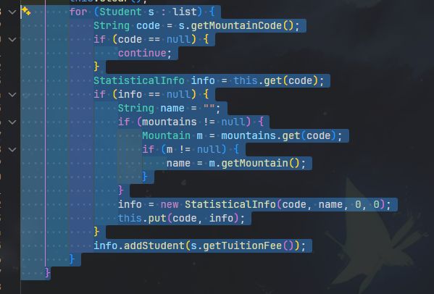
019 | PROBLEM-SOLVING | Algorithms | Function 1 Add New: must ensure Student ID is UNIQUE. How to insert without duplicates? | In a Java console app, when user inputs a new student id, I need to ensure it doesn't already exist. What's the cleanest way: check before insert, or try-catch on insert? | AI evaluated duplicate handling strategies and strongly recommended the "check before insert" validation pattern for this type of in-memory console application. It advised explicitly calling a searchById(newId) method immediately after the user inputs an ID; if the ID already exists in the list, the program should print a clear error and loop back to request a new input. AI noted that relying on try-catch blocks with custom Duplicate exceptions is generally unnecessary for basic ArrayList operations. Exceptions should ideally be reserved for atomic transactional failures at the database or storage layer. | - Critical Thinking: Reasonable. With an in-memory list, check before insert DOES NOT have race conditions (console is single-thread). This is more user-friendly (allows immediate correction). - Contextualization: Requirements don't allow skipping because if the user fills the whole form and then gets an error -> poor UX. I placed validation at the START of the form (Main.addNewRegistration, line 52-60) - user enters wrong ID -> re-loops ID, without wasting effort on other fields. - Creative Synthesis: while-loop around inputAndLoop("Student ID...") + searchById() != null -> print warning + continue loop; else break. - Decision Ownership: Check immediately on ID input. Reason: fail-fast, doesn't force user to enter 4 fields before reporting an error.
020 | VERIFICATION | Algorithms | When reading the CSV file, I looked for a "java.nio.file" API for conciseness, shorter than BufferedReader. | Is there a Java API like Files.readAllLines(Path, Charset, int skipHeader) that reads CSV and automatically skips the first N header lines? I want the shortest one-liner. | AI enthusiastically affirmed the query, stating that modern Java provides a highly streamlined API within java.nio.file.Files to handle this scenario. It highlighted an overloaded method Files.readAllLines(Path path, Charset cs, int skipFirstLines), explaining it would automatically read the file and return a clean List<String> with the header rows omitted. The AI provided a direct code example: Files.readAllLines(Paths.get("a.csv"), UTF_8, 1). However, it hallucinated the existence of the skipFirstLines parameter, which does not actually exist in the standard Java API for readAllLines. | - Critical Thinking: ** HALLUCINATION TYPE: Fabrication of API ** I checked official Java 11 / 17 / 21 Javadocs: Files.readAllLines only has 2 overloads (Path) and (Path, Charset). There is NO overload with "skipFirstLines". AI FABRICATED a non-existent API. If copying AI code -> compile error: "method readAllLines in class Files cannot be applied to given types". - Contextualization: LAB211 projects usually require understanding BufferedReader as a basic skill. Skipping the header can be written manually with one if/continue line. - Creative Synthesis: I kept the BufferedReader implementation + firstLine variable + startsWith("code") check (Mountains.java line 61-78). This is more robust: works correctly even if the user deletes the header row. - Decision Ownership: Used manual BufferedReader. Reason: (1) Avoid depending on a non-existent API hallucinated by AI. (2) Clear code for graders to see basic I/O techniques. (3) Flexible if CSV lacks a header. | 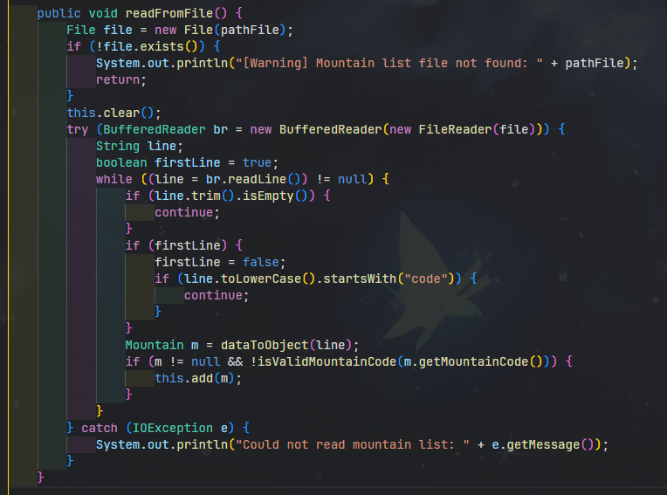 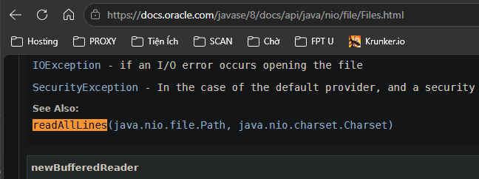 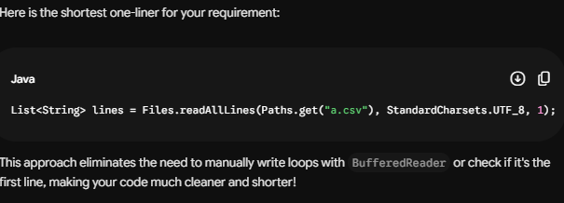
021 | DECISION-MAKING | Decomposition | Problem 31 requires adding the entity Volunteer with id (^VL\d{3}$), name (3..30), skill (enum), maxShiftsPerDay (1..3), shiftsToday. The project already has a class Student that extends Person. Question: Should Volunteer be an independent class, or should it inherit from Person like Student? | "I already have an abstract class Person (id, name) and Student extends Person. Now I need to add a Volunteer entity with id (VL + 3 digits), name (3-30 chars), skill (enum MEDIC/LOGISTIC/GUIDE_ASSIST), maxShiftsPerDay (1-3), shiftsToday. Should Volunteer extend Person or be a standalone class? What about the Volunteers collection - should it also extend ArrayList like Students?" | AI provided architectural guidance suggesting that a Volunteer class should naturally extend a base Person class, as they share identical core attributes (like ID and Name), validating a strict "IS-A" object-oriented relationship. Following the earlier patterns used for Students, AI also suggested that the manager class Volunteers could extend ArrayList<Volunteer>. Additionally, to decouple the specific assignment logic from the entity classes, the AI recommended introducing a specialized Assignable interface containing an assign() method to abstract the behavioral concept of task assignment. | Critical Thinking : AI is right about Person inheritance (DRY, reuses id/name). BUT suggesting an "Assignable" interface is OVER-ENGINEERING for a 200 LOC project. Only Volunteer needs it. - Contextualization : Existing Person.java works well for Student. Inheriting it for Volunteer is natural and saves duplicate code. - Creative Synthesis: I decided: Volunteer extends Person, Volunteers extends ArrayList<Volunteer>. I DID NOT create an Assignable interface to avoid over-engineering. - Decision Ownership: Chose inheritance to reuse fields and stay consistent with Student. Rejected the interface as it's an anti-pattern for a single class | 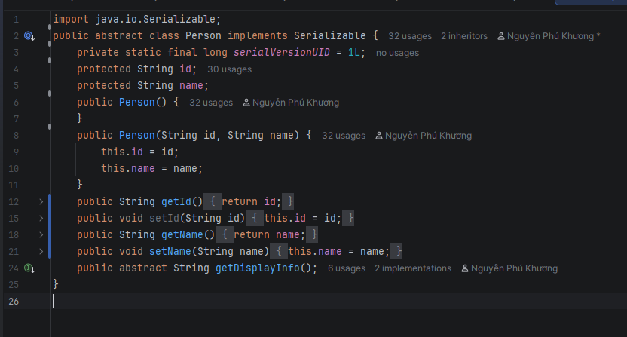
022 | VERIFICATION | Pattern Recognition | Topic 31 requires skill to be an enum {MEDIC, LOGISTIC, GUIDE_ASSIST} and constraint: "MEDIC slot only accepts people with MEDIC skill".Need to verify how to implement enum + constraint to check skill when assigning to a MEDIC slot. | In Java, I have an enum Skill { MEDIC, LOGISTIC, GUIDE_ASSIST }. When assigning a volunteer to a MEDIC slot, only volunteers with skill == MEDIC should be accepted. What's the best practice: use enum.compareTo() to check skill match, or use == operator? Also, should I use Enum.valueOf(String) to parse user input or a custom getByIndex() method? | AI advised on best practices for Enum manipulation, correctly recommending the use of the == operator for enum comparisons because it is strictly type-safe and completely immune to NullPointerException (unlike .equals()). However, AI produced a hallucinated fact regarding input parsing, falsely claiming that "Since Java 14, Enum has a built-in method Enum.valueOfIgnoreCase(String)." In reality, developers must manually parse this. The AI correctly added that using compareTo() to verify enum equality is flawed, as compareTo() evaluates the ordinal integer positions, not the semantic value. | Critical Thinking : **HALLUCINATION TYPE: Fabrication of API**. AI is right about using `==` for enum comparison. BUT `Enum.valueOfIgnoreCase(String)` DOES NOT EXIST in Java (it fabricated it). - Contextualization : User selects skill via a number menu, so parsing text isn't needed. - Creative Synthesis: I implemented `Skill.getByIndex(int)` for safe UI selection and `Volunteer.hasSkillFor(Skill)` using `==` to strictly enforce the MEDIC constraint. - Decision Ownership: Used `==` and numeric menu index to avoid text parsing issues and the hallucinated API, ensuring safe logic encapsulation. | 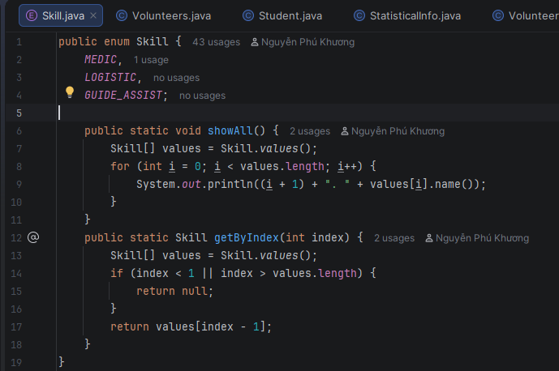 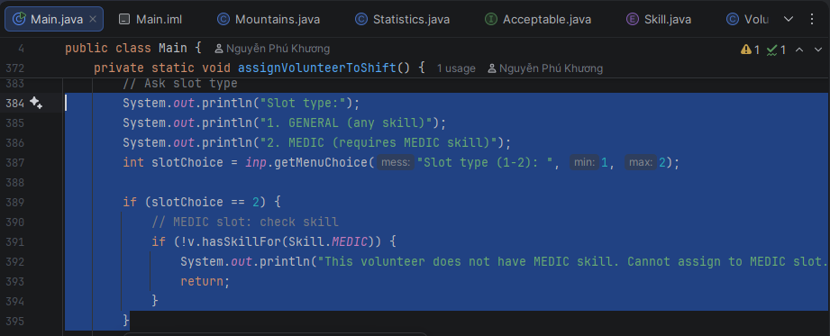
023 | PROBLEM-SOLVING | Algorithms | Topic 31 requires constraint "Do not exceed maxShiftsPerDay": each volunteer has maxShiftsPerDay (1-3), each assign increments shiftsToday by 1, if shiftsToday >= maxShiftsPerDay then DO NOT allow assign anymore. Need a simple + accurate blocking algorithm. | "My Volunteer has maxShiftsPerDay (1-3) and shiftsToday (counter). When assigning to a shift, I must check shiftsToday < maxShiftsPerDay before incrementing. Should I use a try-catch with custom OverShiftException, or a simple boolean return from assign()? Also, when should shiftsToday be reset to 0?" | AI proposed two distinct approaches to handle capacity limits during assignment: (1) using a simple Boolean return type where assign() returns false if the maximum limit is reached, forcing the caller to handle the result, or (2) utilizing custom exception handling by throwing an OverShiftLimitException(). The AI strongly advocated for the second approach, arguing that custom exceptions establish explicit API contracts and align perfectly with standard enterprise Java patterns. For resetting daily quotas, AI suggested deploying a ScheduledExecutor to automatically reset counters at midnight. | Critical Thinking : AI suggests custom exceptions and ScheduledExecutor. This is OVER-ENGINEERING for a console app and unnecessary. - Contextualization : The requirement just needs a simple block if shifts exceed the limit. A simple boolean check is enough. - Creative Synthesis: I implemented a simple `boolean assign()` method that checks `shiftsToday >= maxShiftsPerDay`. The caller handles the false return to print "Over shift limit!". - Decision Ownership: Chose a simple boolean return (O(1) logic) over exceptions to keep code short and appropriate for the project scope. | 